Layout
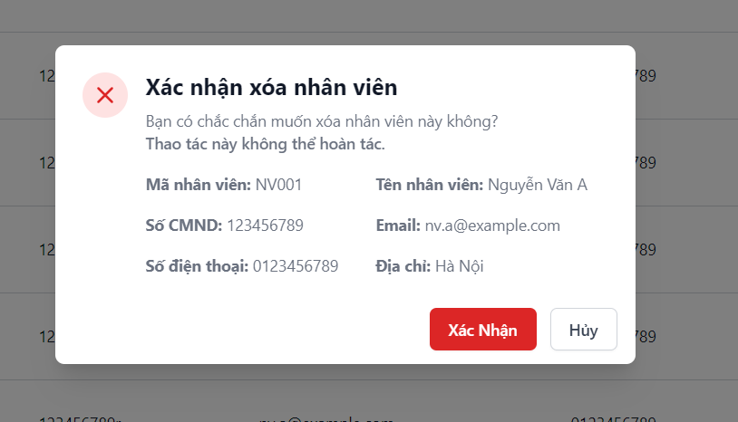
6.11.1.1. Quản lý nhân viên – Xem danh sách nhân viên

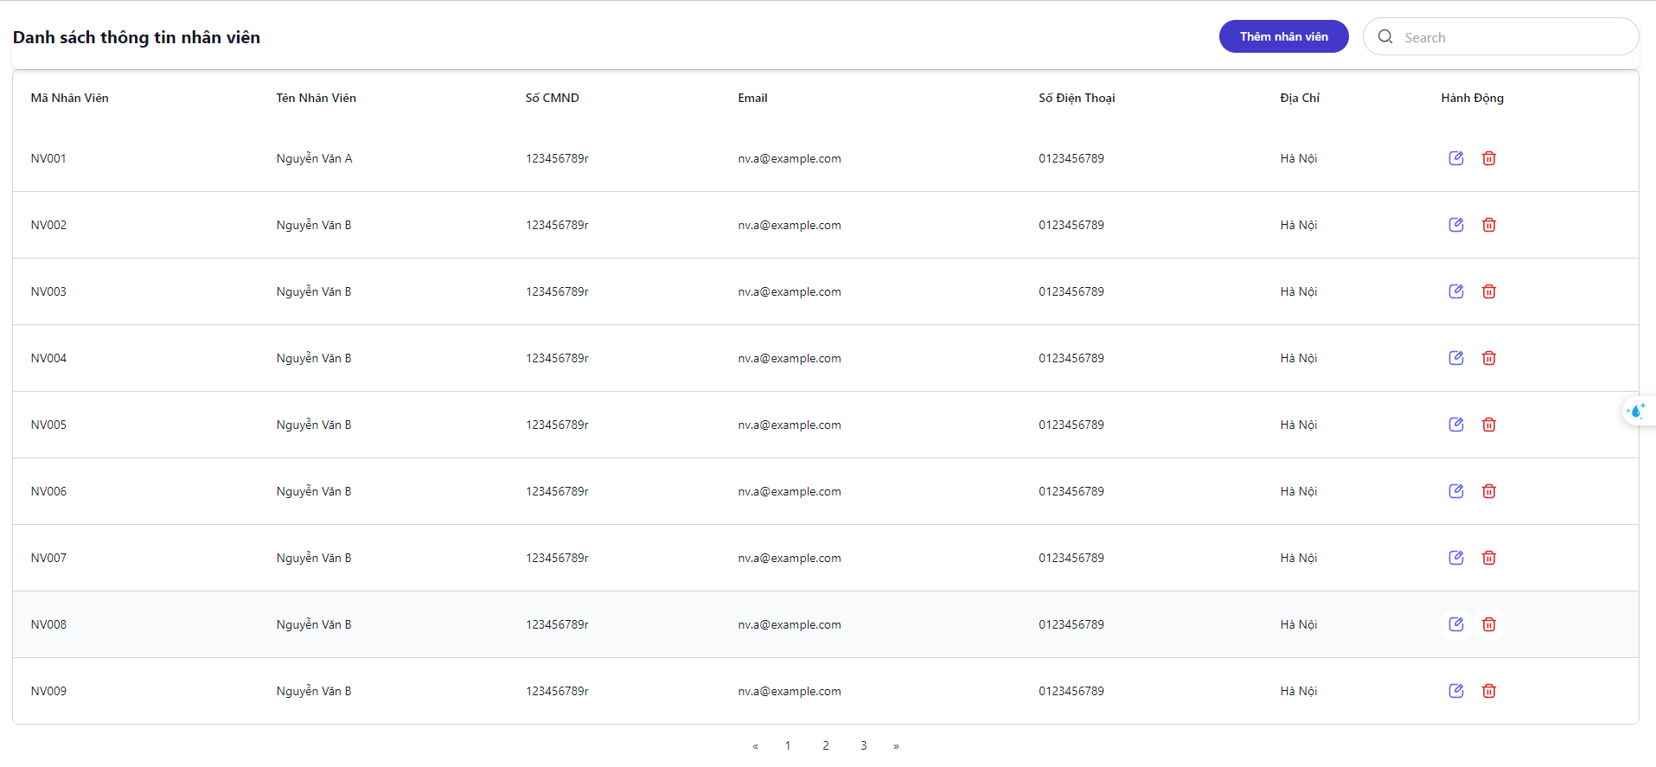

6.11.1.4. Quản lý nhân viên – Xóa nhân viên

